Pivot Table 1
COUNTA of show_id

COUNTA of show_id vs rating

COUNTA of show_id vs netflix_titles

COUNTA of show_id

Pivot Table 2
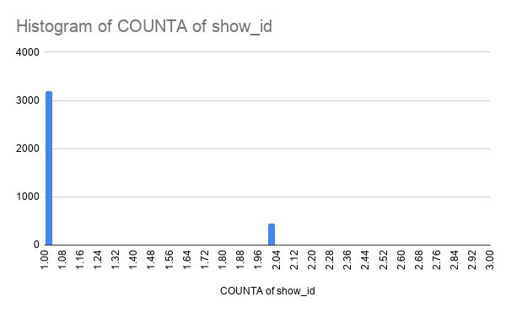
COUNTA of show_id vs listed_in

TV Show vs country

